Inverse CDF
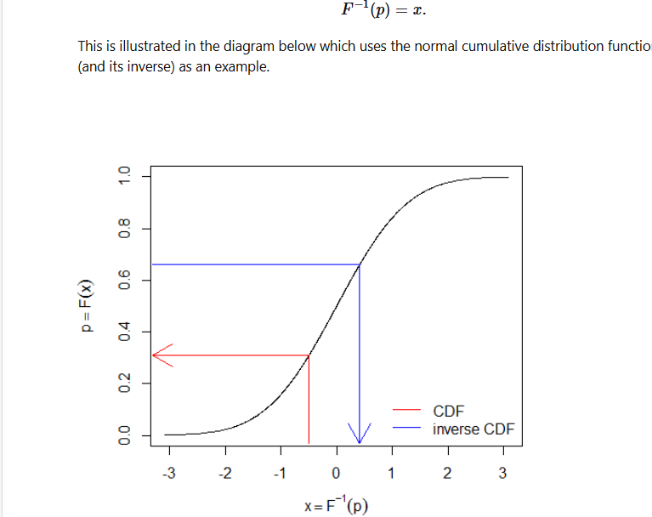
 | Basel Risk Weight Function

 | Inverse CDF
 | CDF

Inverse CDF | 2.326347874
Mean 0
Variance 1

 | -1.644853627

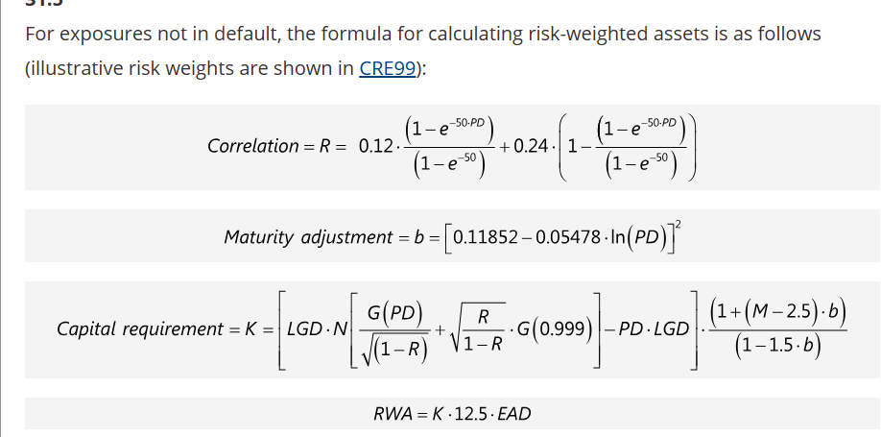
 | Client | Petronas
 | PD | 0.0015
 | Petronas' K

 | Correlation | 0.23132921836

 | That e thingy | 0.072256513671
 | The 2nd part of e thingy | 0.92774348633
 | Effective Maturity
 | Maturity Adjustment | 0.22535476375
 | ln(PD) | -6.5022901709

 | LGD | 0.5

 | Capital K formula
 | Left Side

 | Expected Losses | 15,000
 | PD * LGD | 0.00075
 | EAD | 20,000,000

 | LEFT Side of Capital Requirement

 | Inside | -2.9677379253

Black Scholes Model
 |  |  |  | Calculations
 |  |  | Call | c | 2.6800536911
 |  |  | Put | p | 1.7292306712

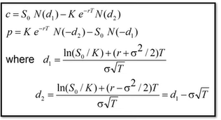
 |  |  |  | d1 | 0.24524013161
 |  |  |  | d2 | 0.10381877537

 | Inputs
Underlying Price | S | 39.00
Strike | K | 40.00
Time to Expiration | T | 0.50
Risk Free Rate | r | 0.10
Volatilty | x | 0.20

(How is volatility calculated)

Sheet5
Inde | Dependent Variable
x | y
0 | 0
1 | 3
5 | 15
3 | 9
5 | 15
3 | 9
5 | 15
7 | 21
8 | 24
9 | 27
10 | 30
11 | 33
12 | 36
13 | 39
14 | 42
15 | 45

PMF | 39.894% | 0.000% | 0.000% | 0.000% | 0.000% | 0.000% | 0.000% | 0.000% | 0.000%
NORM.DIS | 0.003% | 0.135% | 2.275% | 15.866% | 50.000% | 84.134% | 97.725% | 99.865% | 99.997%
Number | 1 | 2 | 3 | 4 | 5 | 6 | 7 | 8 | 9

Mean | 5
Variance | 1

